Issue type
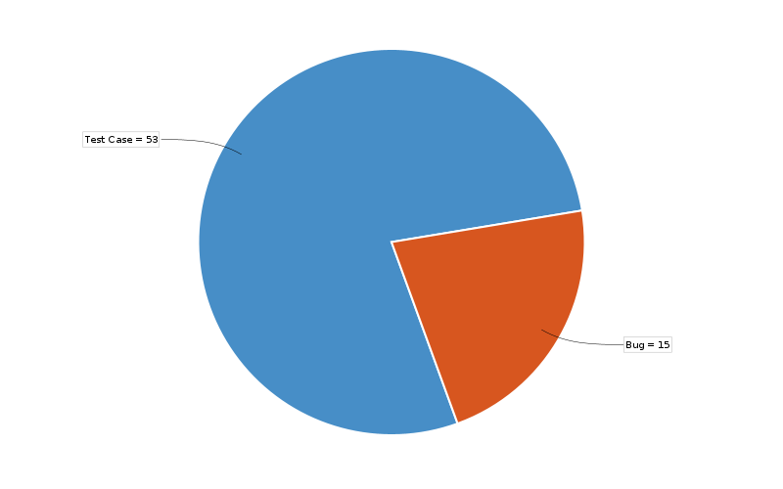
DATA TABLE
 | Issues | %
Test Cases | 53 | 77%
Bugs | 15 | 22%

Priority
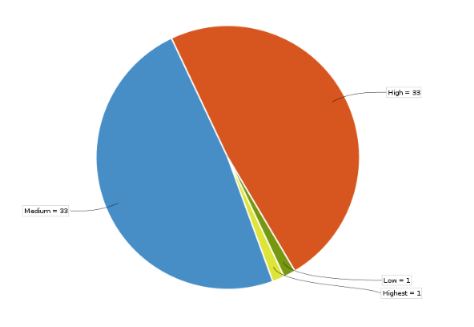
DATA TABLE
 |  | %
Medium | 33 | 48%
High | 33 | 48%
Low | 1 | 1%
Highest | 1 | 1%

Assignee-Reporter
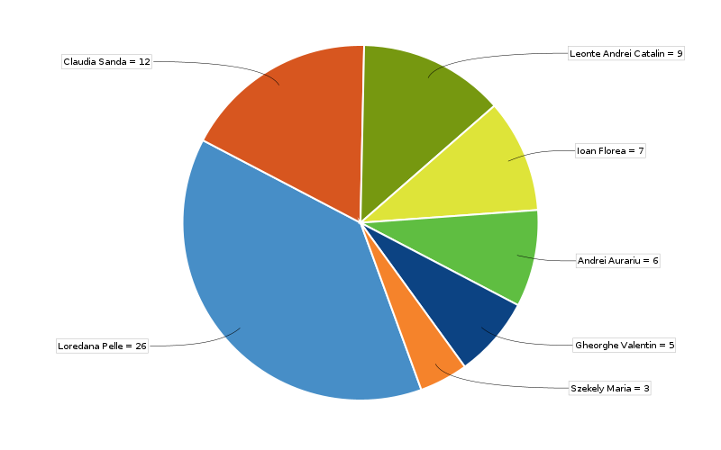
Chart

Data Table

 | Issues | %
Loredana Pelle | 26 | 38%
Claudia Sanda | 12 | 17%
Leonte Andrei Catalin | 9 | 13%
Ioan Florea | 7 | 10%
Andrei Aurariu | 6 | 8%
Gheorghe Valentin | 5 | 7%
Szekely Maria | 3 | 4%

Status
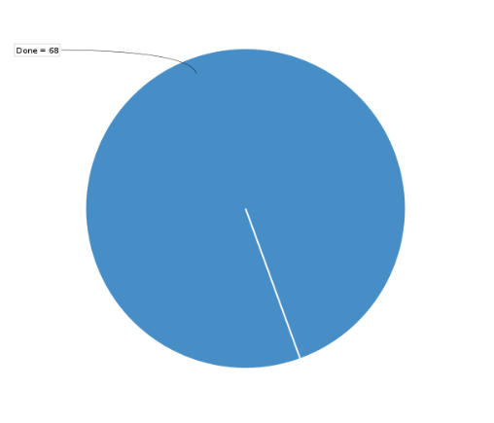
Data Table

 | Issues | %
Done | 68 | 100%

